UAT & PROD
ASRI SEARCHES
SL NO. | Page | Issues | Screenshots
1 | Hospital Search | Mandal dropdown count mismatch for state "AP" and district "NTR" 20 mandals are coming on hospital search table whereas 25 mandals are coming on drop down list and some mandals are not coming which are present in the table. | 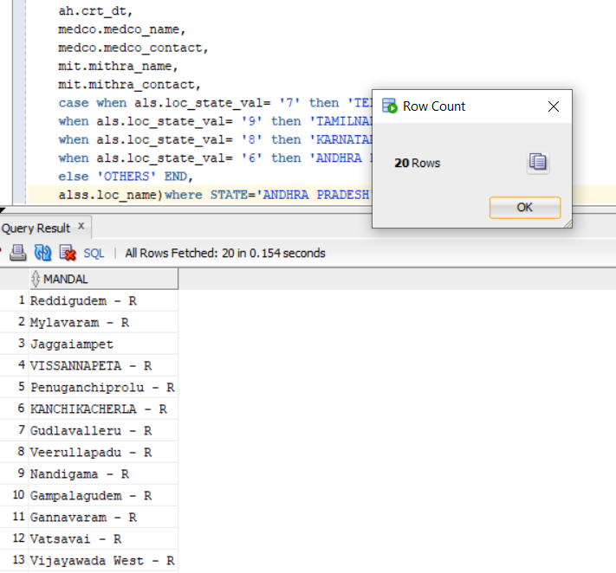 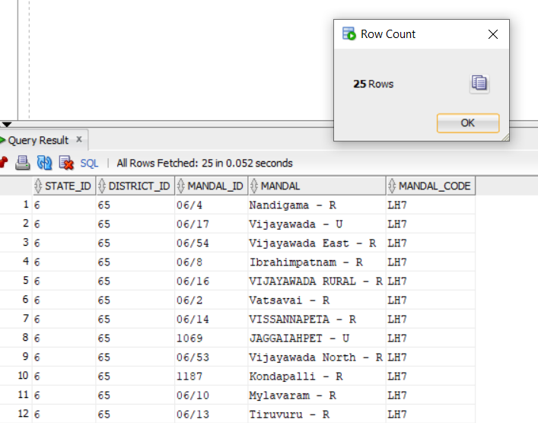
2 | Hospital Search | State name not displaying upon selection of a particular district under that state, it's selected but not displaying.
3 | Hospital Search | For state "Karnataka" , district "BENGALURU URBAN", In mandal drop down there are only two mandal names whereas in the list of hospitals there are more mandal names. | 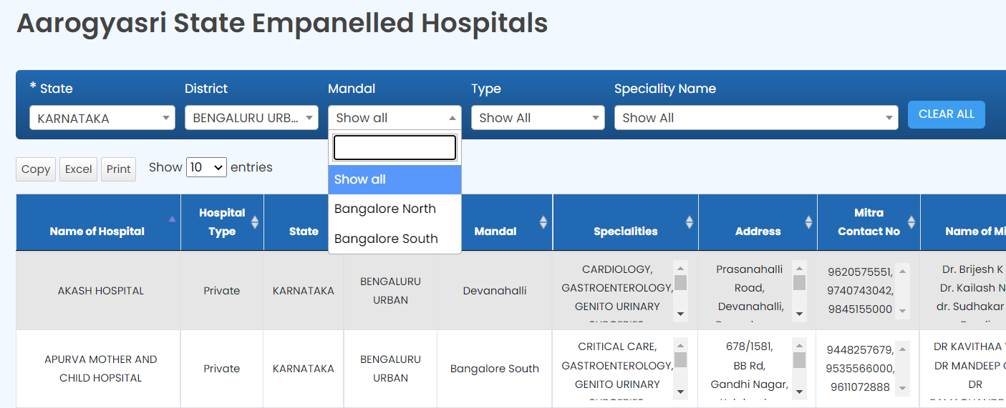

*NOTE:- Few more cases found where mandal names are not displaying for a particular state and district even though it is displaying in the list of hospitals. For STATE "TELANGANA" AND DISTRICT "HYDERABAD" there are no mandal names.

